Sheet1
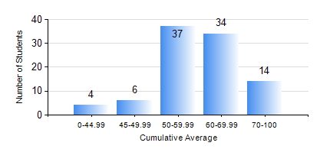
 |  |  | KWAME NKRUMAH UNIVERSITY OF SCIENCE AND TECHNOLOGY, KUMASI Department of Mechanical Engineering

 |  |  | BSC. AUTOMOBILE ENG.

 |  |  | COMPREHENSIVE RECORD OF EXAMINATION RESULTS

 |  |  | RESULTS OF YEAR 1 SECOND SEMESTER, 2021/2022 ACADEMIC YEAR

 | Sn | Course Code |  | Course Name | Credit Hours | Min. Mark | Max. Mark | Avg. Mark | Std. Dev. | No. Passed | No. Trailed | No. (Df) | No. (I) | No. (I*) | No. Tagged(I,I*,Df) | Total
 | 0. |  |  |  |  |  |  | 0 | 0 | 0 | 0 | 0 | 0 | 0 | 0 | 1
 | 1. | EE 152 |  | BASIC ELECTRONICS | 2 | 11 | 76 | 54 | 12.81 | 84 | 10 | 0 | 0 | 0 | 0 | 94
 | 2. | ENGL 158 |  | COMMUNICATION SKILLS II | 2 | 40 | 79 | 62 | 8.71 | 94 | 0 | 0 | 0 | 0 | 0 | 94
 | 3. | MATH 152 |  | CALCULUS WITH ANALYSIS | 4 | 7 | 83 | 55 | 10.72 | 92 | 2 | 0 | 0 | 0 | 0 | 94
 | 4. | ME 160 |  | ENGINEERING DRAWING | 3 | 40 | 83 | 64 | 9.97 | 94 | 0 | 0 | 0 | 0 | 0 | 94
 | 5. | ME 164 |  | STATICS OF SOLID MECHANICS | 2 | 40 | 90 | 64 | 11.25 | 94 | 0 | 0 | 0 | 0 | 0 | 94
 | 6. | ME 172 |  | MEASUREMENT AND INSTRUMENTATION | 2 | 23 | 95 | 73 | 14.79 | 92 | 2 | 0 | 0 | 0 | 0 | 94
 | 7. | ME 266 |  | THERMODYNAMICS I | 2 | 40 | 90 | 59 | 10.67 | 94 | 0 | 0 | 0 | 0 | 0 | 94

